Job Details

Job Number & Name: | 35084 LB Bexley
Site Number/Name: | Site 15 - Danson Lane
Client: | Waterman
Date: | 2023-03-30

Site Plan
Advanced Transport Research |  |  | Job Number & Name: | 35084 LB Bexley
Site 15 - Danson Lane |  |  | Date: | 2023-03-30

Job Type: | Pedestrian & Vehicle Count
Co-ordinates: | 51°27'24.67"N, 0° 6'27.37"E | Postcode: | DA16 2BL |  | Times: | 0730-0930 1430-1630

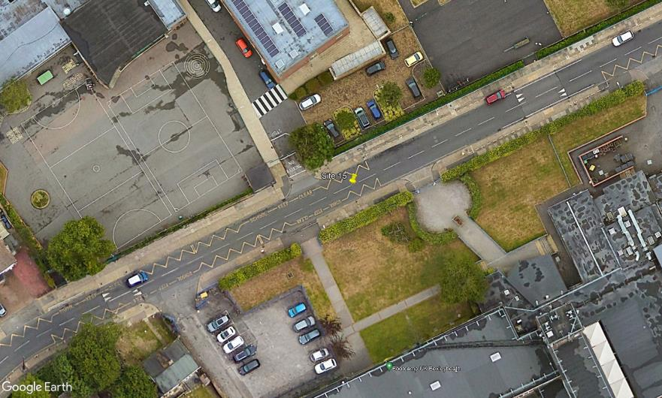
N

3

B
A

D

2
C
1

Danson Lane

